Sheet 1
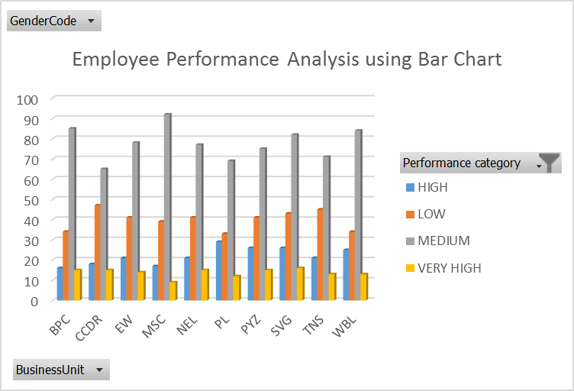
GenderCode | (All)

Count of FirstName | Column Labels
Row Labels | HIGH | LOW | MEDIUM | VERY HIGH | Grand Total
BPC | 16 | 34 | 85 | 15 | 150
CCDR | 18 | 47 | 65 | 15 | 145
EW | 21 | 41 | 78 | 14 | 154
MSC | 17 | 39 | 92 | 9 | 157
NEL | 21 | 41 | 77 | 15 | 154
PL | 29 | 33 | 69 | 12 | 143
PYZ | 26 | 41 | 75 | 15 | 157
SVG | 26 | 43 | 82 | 16 | 167
TNS | 21 | 45 | 71 | 13 | 150
WBL | 25 | 34 | 84 | 13 | 156
Grand Total | 220 | 398 | 778 | 137 | 1533

Sheet 2
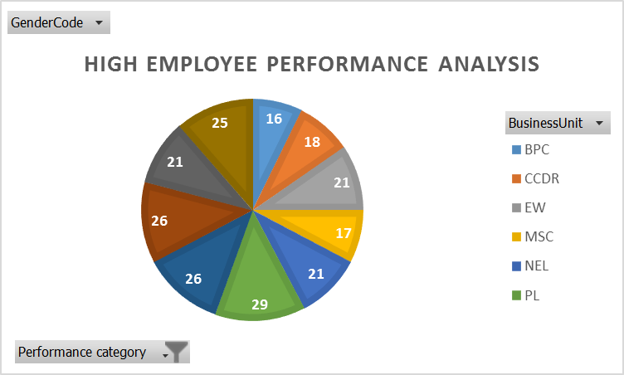
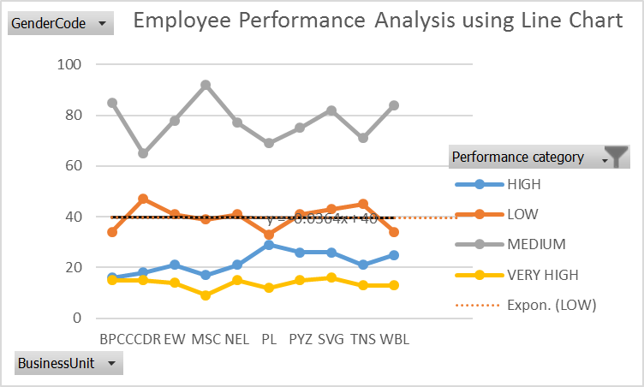

using Pie Chart

